Module 5
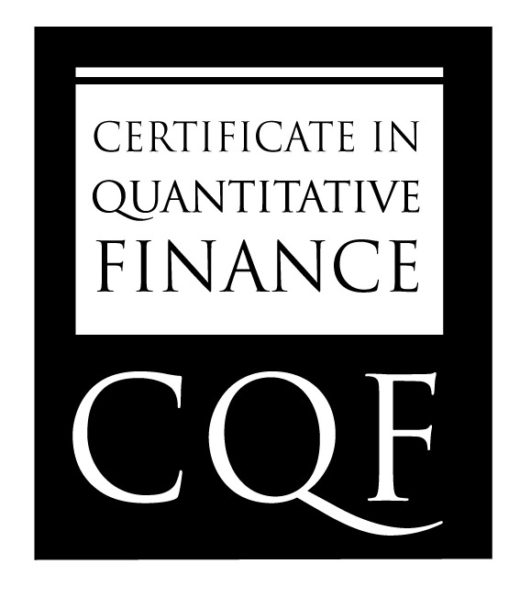
Name Ran Zhao

CQF Module 4 Results

Question | Question Value | Percentage Awarded | Grade | Comments | Expectations
 | (marks) |  |  |  | Full mathematical workings / derivation is consequtive / steps clear
Q1 | 10 | 100 | 14.3
Q2 | 5 | 100 | 7.1
Q3 | 8 | 100 | 11.4
Q4 | 12 | 100 | 17.1
Q5 | 25 | 100 | 35.7 |  | Convergence diagrams / pricing result (MC design, caplet payoff correct)
 | 10 | 100 | 14.3 |  | Observations / error analysis

Total | 70 |  | 100.0
 | (marks) |  | (percent)

GLOBAL STANDARD IN FINANCIAL ENGINEERING

